Dashboard
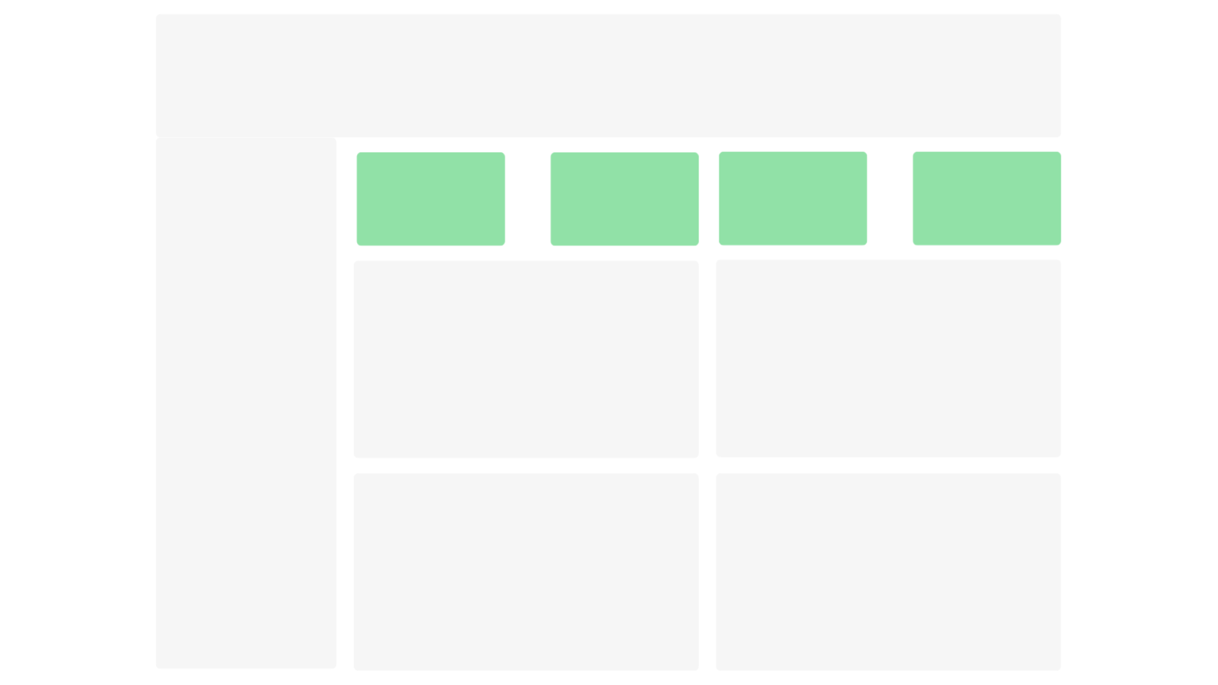
Raw
Data
Dashbaord
 | Total
Day1 | 7.92k
Day2 | 7.97k
Day3 | 7.38k
Day4 | 8.32k
Day5 | 7.35k


Sum of Total Sales
Sum of Target
Sum of Target Hit %
Sum of Away From Target %

77.89
63.11
38945
70500

Sales vs Target by Region
 | Sum of Total Sales | Sum of Target
Chennai | 5.06k | 9.00k
Mumbai | 5.20k | 9.00k
Pune | 5.07k | 9.00k
Delhi | 4.97k | 9.00k
Nagpur | 5.25k | 9.00k
Patna | 4.60k | 8.50k
Surat | 4.51k | 8.50k
Ranchi | 4.30k | 8.50k
Sales by Region
 | Total
Nagpur | 5.25K
Mumbai | 5.20K
Pune | 5.07K
Chennai | 5.06K
Delhi | 4.97K
Patna | 4.60K
Surat | 4.51K
Ranchi | 4.30K
Average Away From Target % by Region
 | Total
Ranchi | 0.49
Surat | 0.47
Patna | 0.46
Delhi | 0.45
Chennai | 0.44
Pune | 0.44
Mumbai | 0.42
Nagpur | 0.42

Average Target Hit % by Region
 | Total
Chennai | 0.56
Delhi | 0.55
Mumbai | 0.58
Nagpur | 0.58
Patna | 0.54
Pune | 0.56
Ranchi | 0.51
Surat | 0.53
Top 10 Sales Executives
 | Total
Shubhanjali Joshi | 367
Syed Saqib | 369
Ritu Bhatnagar | 371
Julie S | 374
Surendra Kumar | 376
Arvind Sharma | 379
Anikuttan | 382
Miny Mole | 384
Rachita Anupam | 385
Jagdish Chandra | 389

